ICMM PE - Cover note
ICMM Performance Expectations - Cover note
In line with International Council for Mining and Metals (ICMM) member requirements, please see below and in the following tabs the ratings for our corporate self-assessment ('ICMM PE - Corporate assessment' tab), self-assessments for our industrial assets in scope of ICMM ('ICMM PE - Asset assessments' tab) including third-party validation results against ICMM's Validation Guidance - Performance Expectations (Feb 2020) (ICMM PEs), and Elk Valley Resources (EVR)'s self-assessments on site level ('ICMM PE - EVR assessments' tab) including third-party validation results against ICMM's Validation Guidance - Performance Expectations (Dec 2023). Where requirements have been assessed as partially met, improvement actions have been identified and are being progressively implemented. Validation activities in 2024: During 2024, Cerrejón (thermal coal, Colombia), Horne (copper, Canada), Kazzinc (zinc, Kazakhstan), McArthur River Mine (zinc, Australia), Murrin Murrin (nickel, Australia), Nordenham (zinc, Germany), Rolleston (thermal coal, Australia), Tweefontein (thermal coal, South Africa) and Ulan (thermal coal, Australia) underwent in-person third-party validation. The results of the third-party validations by Deloitte LLP (Deloitte) for our industrial assets in scope of ICMM excluding EVR are included in the tab 'ICMM PE - Asset assessments' (refer to Deloitte's unqualified Limited Assurance statement under the ISAE 3000 (Revised) Standard on pages 65-68 of our 2024 Sustainability Report). The self-assessments of certain EVR industrial sites as at December 10, 2024 have been validated by PricewaterhouseCoopers LLP and the results are included in the 'ICMM PE - EVR assessments' tab. PricewaterhouseCoopers LLP's limited assurance reports can be found on the Mining Association of Canada's Towards Sustainable Mining website. For more information on Glencore's approach to the ICMM's Principles: Performance Expectations and how we have incorporated them in our industrial activ
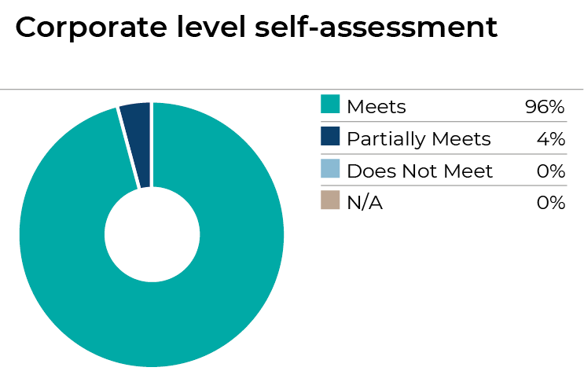 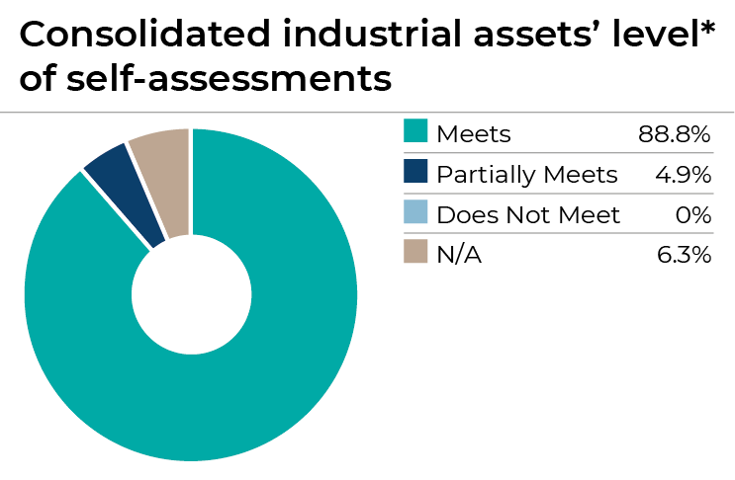
Prioritisation criteria and third-party validations in 2024 In line with ICMM member requirements, our prioritisation criteria was developed by a third-party consultant and has been assured by a qualified validation service provider in line with ICMM's Assurance and Validation Procedure Performance Expectations (refer to Deloitte LLP's unqualified Limited Assurance statement under the ISAE 3000 (Revised) Standard on pages 65-68 of our 2024 Sustainability Report). In developing the prioritisation criteria the third-party consultant used Glencore's sustainability reports, materiality assessments, industrial asset level sustainability related data, periodic sustainability / HSEC&HR reports, country risk ratings, media reviews and consideration of assurance requirements under other relevant standards (e.g. Towards Sustainable Mining (TSM)). Based on all the information used, each of our industrial assets was scored out of 5 (1 being the lowest priority, 5 being the highest priority) against each metric (50 metrics in total). To ensure validation covered a cross-section of our industrial assets across different geographies, commodities and risk exposures, a mix of higher and lower ranking industrial assets was selected for third-party validation across each year from years 1 (2022/2023) to 3 (2025). Year 1 was split between 2022 and 2023 to allow us to pilot third-party validation at a few of our industrial assets in 2022 and enable other industrial assets to learn from the process. After the 2022 validations, we reviewed the validation schedule in 2023, adjusting the prioritisation of a number of industrial assets and increasing the total number of industrial assets to be validated in year 1 from 10 to 11. Again in 2024, we reviewed the validation schedule and taking note of the prior year changes, confirmed that it remained valid. On 11 July 2024, we successfully closed our acquisition of a 77% interest in EVR and thus EVR has not yet been considered as part our valid
*In line with the Sustainability Report, information identified by the * symbol excludes EVR.

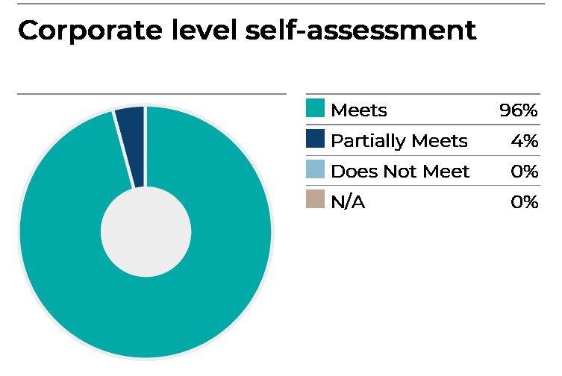
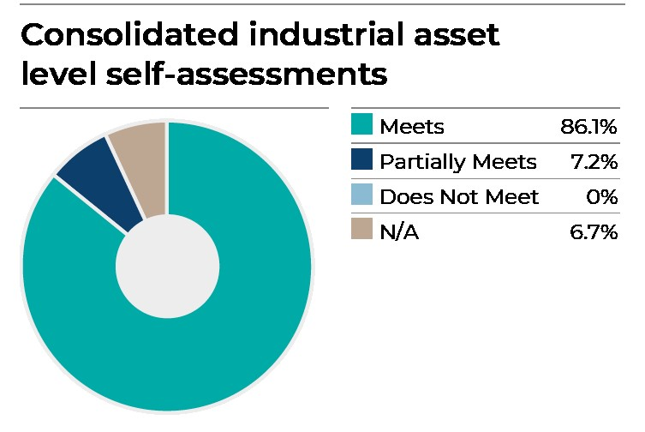

Alloys: 3.3: [can no longer add comments, but would we even need the first sentence here?]Western Chrome Mines utilize private security services, aiming to uphold human rights and security standards aligned with the voluntary principle on security and human rights. Presently, Synergy Global is aiding us in conducting human rights impact and risk assessments.

Copper: 3.3: Lomas Bayas and Altonorte have a plan to improve their risk assessments and training programs.

Copper: 4.1: PASAR is working towards improving their stakeholder mapping and engagement plans.
Copper: 4.3 & 4.4 Altonorte is working towards improving their risk management processes and is undertaking further testing of their emergency response plan.
Copper: 5.1 & 5.2 PASAR is working on improving their health and safety practices.
Copper: 6.1 PASAR and Altonorte are working at improving their closure plans to cover all aspects of closure.
Copper: 9.1, 9.2 and 9.3: Horne, PASAR and Altonorte are working towards improving their baseline studies and strategies / management plans to better meet their local needs and improve their local procurement practices. Altonorte are working towards improving their stakeholder engagement plan in relation to grievances and complaints.
Nickel: 3.3: Koniambo is working on their VPSHR-aligned training packages.
Nickel: 4.3: Murrin Murrin is working towards improving their risk and opportunity assessments.

ICMM PE - Corporate assessment
Meets
Partially meets
Does not meet
Not applicable
0
ICMM Performance Expectations - Corporate level self-assessment
Please refer to the tab 'ICMM PE - Cover note' when using this information.
Key:
ICMM Mining Principles - Performance Expectations |  | Rating | Comments
1 - Ethical Business: Apply ethical business practices and sound systems of corporate governance and transparency to support sustainable development.
1.1 | Establish systems to maintain compliance with applicable laws. | l
1.2 | Implement policies and practices to prevent bribery, corruption and to publicly disclose facilitation payments. | l
1.3 | Implement policies and standards consistent with the ICMM policy framework. | l
1.4 | Assign accountability for sustainability performance at the Board and/or Executive Committee level. | l
1.5 | Disclose the value and beneficiaries of financial and in-kind political contributions whether directly or through an intermediary. | l
2 - Decision Making: Integrate sustainable development in corporate strategy and decision-making processes.
2.1 | Integrate sustainable development principles into corporate strategy and decision-making processes relating to investments and in the design, operation and closure of facilities. | l
2.2 | Support the adoption of responsible health and safety, environmental, human rights and labour policies and practices by joint venture partners, suppliers and contractors, based on risk. | l
3 - Human Rights: Respect human rights and the interests, cultures, customs and values of workers and communities affected by our activities.
3.1 | Support the UN Guiding Principles on Business and Human Rights by developing a policy commitment to respect human rights, undertaking human rights due diligence and providing for or cooperating in processes to enable the remediation of adverse human rights impacts that members have caused or contributed to. | l
3.4 | Respect the rights of workers by: not employing child or forced labour; avoiding human trafficking; not assigning hazardous/dangerous work to those under 18; eliminating harassment and discrimination; respecting freedom of association and collective bargaining; and providing a mechanism to address workers grievances. | l
3.5 | Remunerate employees with wages that equal or exceed legal requirements or represent a competitive wage within that job market (whichever is higher) and assign regular and overtime working hours within legally required limits. | l
4 - Risk Management: Implement effective risk-management strategies and systems based on sound science and which account for stakeholder perceptions of risks.
4.1 | Assess environmental and social risks and opportunities of new projects and of significant changes to existing operations in consultation with interested and affected stakeholders, and publicly disclose assessment results. | l
4.2 | Undertake risk-based due diligence on conflict and human rights that aligns with the OECD Due Diligence Guidance on Conflict Affected and High Risk Areas, when operating in, or sourcing from, a conflict-affected or high risk area. | l
5 - Health and Safety: Pursue continual improvement in the health and safety performance with the ultimate goal of zero harm.
5.1 | Implement practices aimed at continually improving workplace health and safety, and monitor performance for the elimination of workplace fatalities, serious injuries and prevention of occupational diseases, based upon a recognised international standard or management system. | l
5.2 | Provide workers with training in accordance with their responsibilities for health and safety and implement health surveillance and risk-based monitoring programmes based on occupational exposures. | l
6 - Environmental Performance: Pursue continual improvement in environmental performance issues, such as water stewardship, energy use and climate change.
6.1 | Plan and design for closure in consultation with relevant authorities and stakeholders, implement measures to address closure-related environmental and social aspects, and make financial provision to enable agreed closure and post-closure commitments to be realised. | l
6.2 | Implement water stewardship practices that provide for strong and transparent water governance, effective management of water at operations, and collaboration with stakeholders at a catchment level to achieve responsible and sustainable water use. | l
6.3 | Design, construct, operate, monitor and decommission tailings disposal/storage facilities using comprehensive, risk-based management and governance practices in line with internationally recognised good practice, to minimise the risk of catastrophic failure. Note: To achieve 'Meets', the asset must be in conformance with the Global Industry Standard on Tailings Management (GISTM). | ◑ | Based on our ongoing tailings storage facility (TSF) management systems and independent third-party assessments we have in place for our TSFs with ‘Very High’ and ‘Extreme” Consequence Classifications we believe that any gaps in conformance are identified and managed appropriately. Our most recent disclosure against GISTM for our TSFs with ‘Very High’ and ‘Extreme” Consequence Classifications is available on our website (https://www.glencore.com/sustainability/esg-a-z/Tailings). We intend to disclose against GISTM for all our TSFs in scope of GISTM in August 2025. We are committed to continuing to progress towards conformance with the requirements of the GISTM. For further information on our TSF governance framework, refer to pages 22-26 of the 2024 Sustainability Report.
6.5 | Implement measures to improve energy efficiency and contribute to a low-carbon future, and report the outcomes based on internationally recognised protocols for measuring CO2 equivalent (GHG) emissions. | l
7 - Conservation of Biodiversity: Contribute to the conservation of biodiversity and integrated approaches to land-use planning.
7.1 | Neither explore nor develop new mines in World Heritage sites, respect legally designated protected areas, and design and operate any new operations or changes to existing operations to be compatible with the value for which such areas were designated | l
...

ICMM PE - Asset assessments
Meets
Partially meets
Does not meet
Not applicable
0
ICMM Performance Expectations - Industrial asset assessments
Please refer to the tab 'ICMM PE - Cover note' when using this information.
Key:
ICMM Mining Principles - Performance Expectations |  |  | Coal
Principle | Number | Requirement | Goedgevonden2 | Tweefontein3 | iMpunzi | Bulga2 | Clermont2 | Collinsville
Ethical Business | 1.1 | Establish systems to maintain compliance with applicable law. | l | l | l | l | l | l
 | 1.2 | Implement policies and practices to prevent bribery, corruption and to publicly disclose facilitation payments. | l | l | l | l | l | l
Decision Making | 2.2 | Support the adoption of responsible health and safety, environmental, human rights and labour policies and practices by joint venture partners, suppliers and contractors, based on risk. | l | l | l | l | l | l
Human Rights | 3.1 | Support the UN Guiding Principles on Business and Human Rights by developing a policy commitment to respect human rights, undertaking human rights due diligence and providing for or cooperating in processes to enable the remediation of adverse human rights impacts that members have caused or contributed to. | l | l | l | l | l | l
 | 3.2 | Avoid the involuntary physical or economic displacement of families and communities. Where this is not possible apply the mitigation hierarchy and implement actions or remedies that address residual adverse effects to restore or improve livelihoods and standards of living of displaced people. | l | l | l | l | l | l
 | 3.3 | Implement, based on risk, a human rights and security approach consistent with the Voluntary Principles on Security & Human Rights. | l | l | l | l | l | l
 | 3.4 | Respect the rights of workers by not employing child or forced labour; avoiding human trafficking; not assigning hazardous/dangerous work to those under 18; eliminating harassment and discrimination; respecting freedom of association and collective bargaining; and providing a mechanism to address workers grievances. | l | l | l | l | l | l
 | 3.5 | Remunerate employees with wages that equal or exceed legal requirements or represent a competitive wage within that job market (whichever is higher) and assign regular and overtime working hours within legally required limits. | l | l | l | l | l | l
 | 3.6 | Respect the rights, interests, aspirations, culture and natural resource-based livelihoods of Indigenous Peoples in project design, development and operation; apply the mitigation hierarchy to address adverse impacts; and deliver sustainable benefits for Indigenous Peoples. | l | l | l | l | l | l
...

ICMM PE - EVR assessments
Meets
Partially meets
Does not meet
Not applicable
0
ICMM Performance Expectations (Dec 2023) - Industrial asset assessments (Elk Valley Resources)
Please refer to the tab 'ICMM PE - Cover note' when using this information.
Key:
ICMM Mining Principles - Performance Expectations (12/2023) |  |  | Coal
Principle | Number | Requirement | Elkview1 | Line Creek1 | Fording River2 | Greenhills2 | Comments
Ethical Business | 1.1 | Establish systems to maintain compliance with applicable law. | l | l | l | l
 | 1.2 | Implement policies and practices to prevent bribery, corruption and to publicly disclose facilitation payments. | l | l | l | l
Decision Making | 2.2 | Support the adoption of responsible health and safety, environmental, human rights and labour policies and practices by joint venture partners, suppliers and contractors, based on risk. | l | l | l | l
Human Rights | 3.1 | Support the UN Guiding Principles on Business and Human Rights by developing a policy commitment to respect human rights, undertaking human rights due diligence and providing for or cooperating in processes to enable the remediation of adverse human rights impacts that members have caused or contributed to. | l | l | l | l
 | 3.2 | Avoid the involuntary physical or economic displacement of families and communities. Where this is not possible apply the mitigation hierarchy and implement actions or remedies that address residual adverse effects to restore or improve livelihoods and standards of living of displaced people. | l | l | l | l
 | 3.3 | Implement, based on risk, a human rights and security approach consistent with the Voluntary Principles on Security & Human Rights. | ◑ | ◑ | ◑ | ◑ | EVR is looking to align training requirements with the Voluntary Principles on Security & Human Rights across all its industrial sites.
 | 3.4 | Respect the rights of workers by not employing child or forced labour; avoiding human trafficking; not assigning hazardous/dangerous work to those under 18; eliminating harassment and discrimination; respecting freedom of association and collective bargaining; and providing a mechanism to address workers grievances. | l | l | l | l
 | 3.5 | Remunerate employees with wages that equal or exceed legal requirements or represent a competitive wage within that job market (whichever is higher) and assign regular and overtime working hours within legally required limits. | l | l | l | l
 | 3.6 | Respect the rights, interests, aspirations, culture and natural resource-based livelihoods of Indigenous Peoples in project design, development and operation; apply the mitigation hierarchy to address adverse impacts; and deliver sustainable benefits for Indigenous Peoples. | l | l | l | l
...

